Calc.
Gas Pipulator - Longuest Run Method - See CSA-B149.1-15 Gas and Propane, Appendix A, Section A.3 for additional details and instrutions.

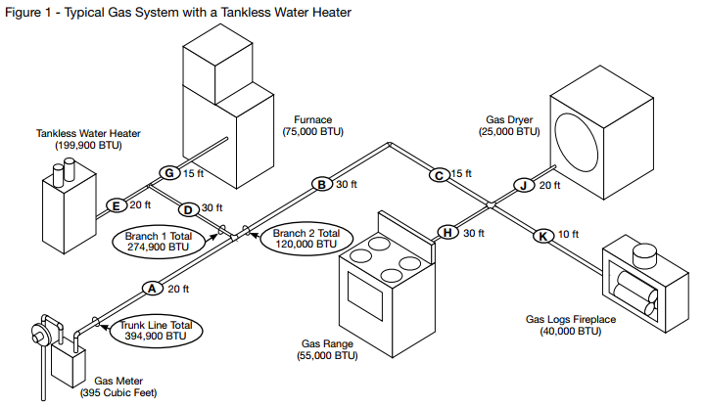
 |  |  |  | TOTAL BRANCH MBH | PIPE SIZE
 |  |  |  |  |  | Table Values
 |  |  |  |  |  | Length equivalent (ft) | Pipe Size (NPS)
 |  |  |  | 274.9 | 1.25 NPS |  | 0.5 | 0.75 | 1 | 1.25 | 1.5 | 2 | 2.5 | 3 | 4
 |  |  |  | 199.9 | 1.25 NPS | 95 | 45 | 94 | 177 | 363 | 544 | 1047 | 1669 | 2950 | 6018
 |  |  |  | 75 | 0.75 NPS | Lookup Values: | 0 | 46 | 95 | 178 | 364 | 545 | 1048 | 1670 | 2951
 |  |  |  |  | -
 |  |  |  | 120 | 1 NPS
 |  |  |  | 25 | 0.5 NPS
 |  |  |  | 40 | 0.5 NPS
 |  |  |  | 55 | 0.75 NPS
 |  |  |  |  | -
 |  |  |  |  | -
 |  |  |  |  | -
 |  |  |  |  | -
 |  |  |  |  | -
 |  |  |  |  | -
 |  |  |  |  | -
 |  |  |  |  | -
 |  |  |  |  | -
 |  |  |  |  | -
System Inputs |  |  |  |  | -
Length of longuest run (ft): | 95 |  |  |  | -
or |  | Main Branch: | 1.5 NPS |  | -
Length of longuest run (m): | 28.956 |  |  |  | -
and |  |  |  |  | -
TOTAL MBH: | 394.9 |  |  |  | -
 |  |  |  |  | -
Total System Pressure (w.c.) | less than or equal to 7 w.c. |  |  |  | -
Pressure Drop | less than or equal to 0.5 w.c. |  |  |  | -
 |  |  |  |  | -
 |  |  |  |  | -
 |  |  |  |  | -
 |  |  |  |  | -
 |  |  |  |  | -
 |  |  |  |  | -
 |  |  |  |  | -
 |  |  |  |  | -
 |  |  |  |  | -
 |  |  |  |  | -
 |  |  |  |  | -
 |  |  |  |  | -
 |  |  |  |  | -
 |  |  |  |  | -
 |  |  |  |  | -
 |  |  |  |  | -
 |  |  |  |  | -
 |  |  |  |  | -
 |  |  |  |  | -
 |  |  |  |  | -
 |  |  |  |  | -
 |  |  |  |  | -
 |  |  |  |  | -
 |  |  |  |  | -
 |  |  |  |  | -
 |  |  |  |  | -
 |  |  |  |  | -
 |  |  |  |  | -
 |  |  |  |  | -
 |  |  |  |  | -
 |  |  |  |  | -
 |  |  |  |  | -
 |  |  |  |  | -
 |  |  |  |  | -
 |  |  |  |  | -
 |  |  |  |  | -
 |  |  |  |  | -
 |  |  |  |  | -
 |  |  |  |  | -
 |  |  |  |  | -
 |  |  |  |  | -
 |  |  |  |  | -
 |  |  |  |  | -
 |  |  |  |  | -
 |  |  |  |  | -
 |  |  |  |  | -
 |  |  |  |  | -
 |  |  |  |  | -
 |  |  |  |  | -
 |  |  |  |  | -
 |  |  |  |  | -
 |  |  |  |  | -
 |  |  |  |  | -
 |  |  |  |  | -
 |  |  |  |  | -
 |  |  |  |  | -
 |  |  |  |  | -
 |  |  |  |  | -
 |  |  |  |  | -
 |  |  |  |  | -
 |  |  |  |  | -
 |  |  |  |  | -
 |  |  |  |  | -
 |  |  |  |  | -
 |  |  |  |  | -
 |  |  |  |  | -
 |  |  |  |  | -
 |  |  |  |  | -
 |  |  |  |  | -

Table A.1
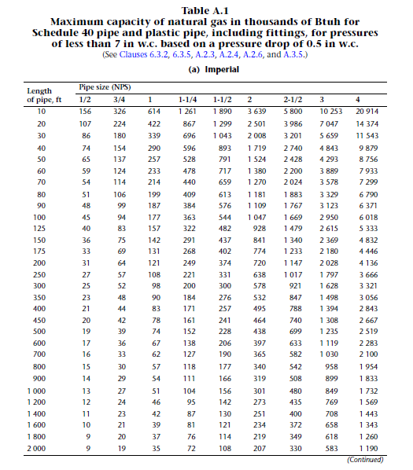
Table A.1 Maximum capacity of natural gas in thousands of BTUH for Schedule 40 pipe and plastic pipe, including fittings, for pressures of less than 7 in w.c. based on a pressure drop of 0.5 in w.c. (See Clauses 6.3.2, 6.3.5, A.2.3, A.2.4, A.2.6, and A.3.5.) (a) Imperial
Length of pipe (ft) | Pipe Size (NPS)
 | 0.5 | 0.75 | 1 | 1.25 | 1.5 | 2 | 2.5 | 3 | 4
10 | 156 | 326 | 614 | 1261 | 1890 | 3639 | 5800 | 10253 | 20914
20 | 107 | 224 | 422 | 867 | 1299 | 2501 | 3986 | 7047 | 14374
30 | 86 | 180 | 339 | 696 | 1043 | 2008 | 3201 | 5659 | 11543
40 | 74 | 154 | 290 | 596 | 893 | 1719 | 2740 | 4843 | 9879
50 | 65 | 137 | 257 | 528 | 791 | 1524 | 2428 | 4293 | 8756
60 | 59 | 124 | 233 | 478 | 717 | 1380 | 2200 | 3889 | 7933
70 | 54 | 114 | 214 | 440 | 659 | 1270 | 2024 | 3578 | 7299
80 | 51 | 106 | 199 | 409 | 613 | 1181 | 1883 | 3329 | 6790
90 | 48 | 99 | 187 | 384 | 576 | 1109 | 1767 | 3123 | 6371
100 | 45 | 94 | 177 | 363 | 544 | 1047 | 1669 | 2950 | 6018
125 | 40 | 83 | 157 | 322 | 482 | 928 | 1479 | 2615 | 5333
150 | 36 | 75 | 142 | 291 | 437 | 841 | 1340 | 2369 | 4832
175 | 33 | 69 | 131 | 268 | 402 | 774 | 1233 | 2180 | 4446
200 | 31 | 64 | 121 | 249 | 374 | 720 | 1147 | 2028 | 4136
250 | 27 | 57 | 108 | 221 | 331 | 638 | 1017 | 1797 | 3666
300 | 25 | 52 | 98 | 200 | 300 | 578 | 921 | 1628 | 3321
350 | 23 | 48 | 90 | 184 | 276 | 532 | 847 | 1498 | 3056
400 | 21 | 44 | 83 | 171 | 257 | 495 | 788 | 1394 | 2843
450 | 20 | 42 | 78 | 161 | 241 | 464 | 740 | 1308 | 2667
500 | 19 | 39 | 74 | 152 | 228 | 438 | 699 | 1235 | 2519
600 | 17 | 36 | 67 | 138 | 206 | 397 | 633 | 1119 | 2283
700 | 16 | 33 | 62 | 127 | 190 | 365 | 582 | 1030 | 2100
800 | 15 | 30 | 57 | 118 | 177 | 340 | 542 | 958 | 1954
900 | 14 | 29 | 54 | 111 | 166 | 319 | 508 | 899 | 1833
1000 | 13 | 27 | 51 | 104 | 156 | 301 | 480 | 849 | 1732
1200 | 12 | 24 | 46 | 95 | 142 | 273 | 435 | 769 | 1569
1400 | 11 | 23 | 42 | 87 | 130 | 251 | 400 | 708 | 1443
1600 | 10 | 21 | 39 | 81 | 121 | 234 | 372 | 658 | 1343
1800 | 9 | 20 | 37 | 76 | 114 | 219 | 349 | 618 | 1260
2000 | 9 | 19 | 35 | 72 | 108 | 207 | 330 | 583 | 1190

Table A.2
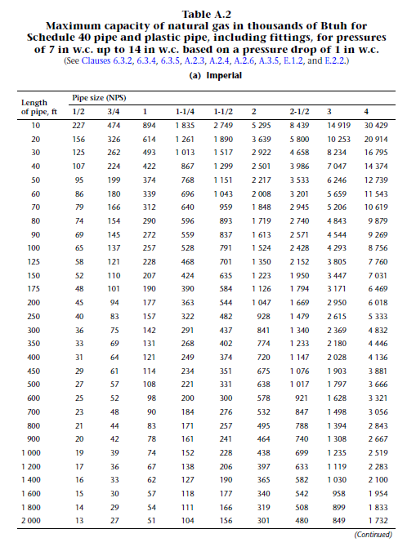
Table A.2 Maximum capacity of natural gas in thousands of Btuh for Schedule 40 pipe and plastic pipe, including fittings, for pressures of 7 in w.c. up to 14 in w.c. based on a pressure drop of 1 in w.c. (See Clauses 6.3.2, 6.3.4, 6.3.5, A.2.3, A.2.4, A.2.6, A.3.5, E.1.2, and E.2.2.) (a) Imperial
Length of pipe (ft) | Pipe Size (NPS)
 | 0.5 | 0.75 | 1 | 1.25 | 1.5 | 2 | 2.5 | 3 | 4
10 | 227 | 474 | 894 | 1835 | 2749 | 5295 | 8439 | 14919 | 30429
20 | 156 | 326 | 614 | 1261 | 1890 | 3639 | 5800 | 10253 | 20914
30 | 125 | 262 | 493 | 1013 | 1517 | 2922 | 4658 | 8234 | 16795
40 | 107 | 224 | 422 | 867 | 1299 | 2501 | 3986 | 7047 | 14374
50 | 95 | 199 | 374 | 768 | 1151 | 2217 | 3533 | 6246 | 12739
60 | 86 | 180 | 339 | 696 | 1043 | 2008 | 3201 | 5659 | 11543
70 | 79 | 166 | 312 | 640 | 959 | 1848 | 2945 | 5206 | 10619
80 | 74 | 154 | 290 | 596 | 893 | 1719 | 2740 | 4843 | 9879
90 | 69 | 145 | 272 | 559 | 837 | 1613 | 2571 | 4544 | 9269
100 | 65 | 137 | 257 | 528 | 791 | 1524 | 2428 | 4293 | 8756
125 | 58 | 121 | 228 | 468 | 701 | 1350 | 2152 | 3805 | 7760
150 | 52 | 110 | 207 | 424 | 635 | 1223 | 1950 | 3447 | 7031
175 | 48 | 101 | 190 | 390 | 584 | 1126 | 1794 | 3171 | 6469
200 | 45 | 94 | 177 | 363 | 544 | 1047 | 1669 | 2950 | 6018
250 | 40 | 83 | 157 | 322 | 482 | 928 | 1479 | 2615 | 5333
300 | 36 | 75 | 142 | 291 | 437 | 841 | 1340 | 2369 | 4832
350 | 33 | 69 | 131 | 268 | 402 | 774 | 1233 | 2180 | 4446
400 | 31 | 64 | 121 | 249 | 374 | 720 | 1147 | 2028 | 4136
450 | 29 | 61 | 114 | 234 | 351 | 675 | 1076 | 1903 | 3881
500 | 27 | 57 | 108 | 221 | 331 | 638 | 1017 | 1797 | 3666
600 | 25 | 52 | 98 | 200 | 300 | 578 | 921 | 1628 | 3321
700 | 23 | 48 | 90 | 184 | 276 | 532 | 847 | 1498 | 3056
800 | 21 | 44 | 83 | 171 | 257 | 495 | 788 | 1394 | 2843
900 | 20 | 42 | 78 | 161 | 241 | 464 | 740 | 1308 | 2667
1000 | 19 | 39 | 74 | 152 | 228 | 438 | 699 | 1235 | 2519
1200 | 17 | 36 | 67 | 138 | 206 | 397 | 633 | 1119 | 2283
1400 | 16 | 33 | 62 | 127 | 190 | 365 | 582 | 1030 | 2100
1600 | 15 | 30 | 57 | 118 | 177 | 340 | 542 | 958 | 1954
1800 | 14 | 29 | 54 | 111 | 166 | 319 | 508 | 899 | 1833
2000 | 13 | 27 | 51 | 104 | 156 | 301 | 480 | 849 | 1732

